inquiry
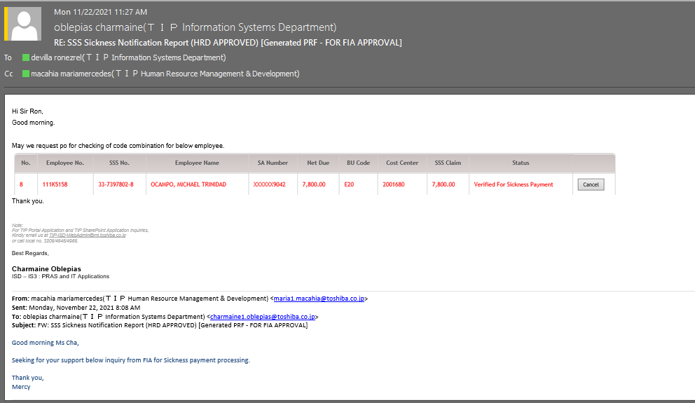

checking
Check the Procedure in PRAS that executes upon submission of SSS in Portal

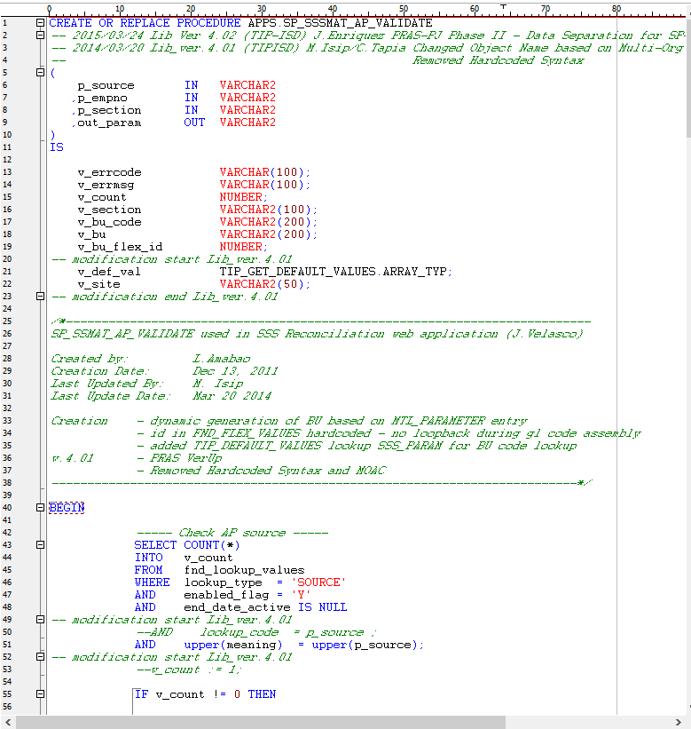

 | @p_source = 'SSS_CLAIM' |  | pwede mo hingin to kay portal

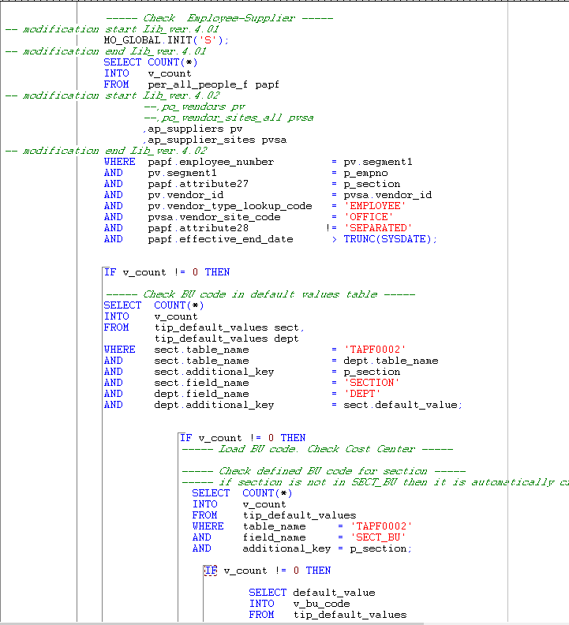

1

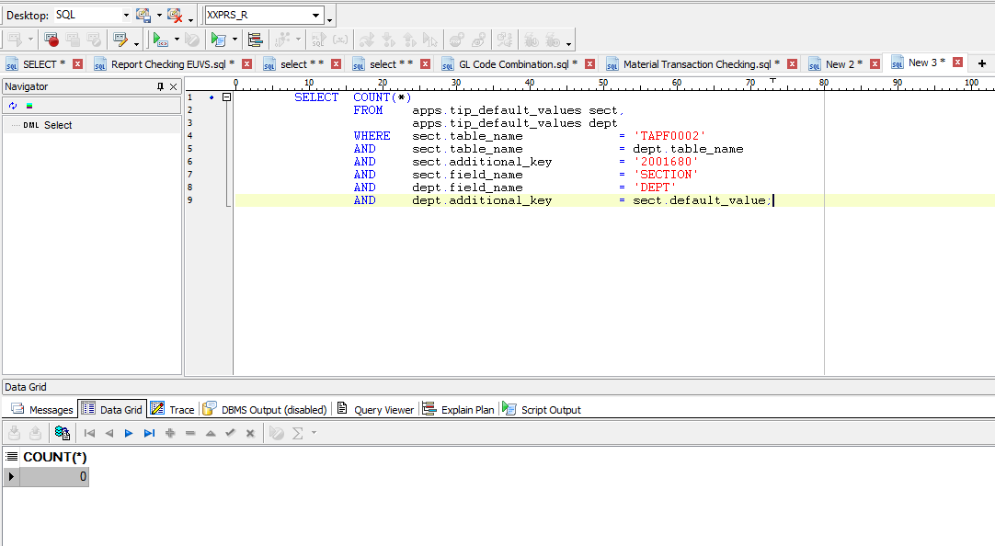

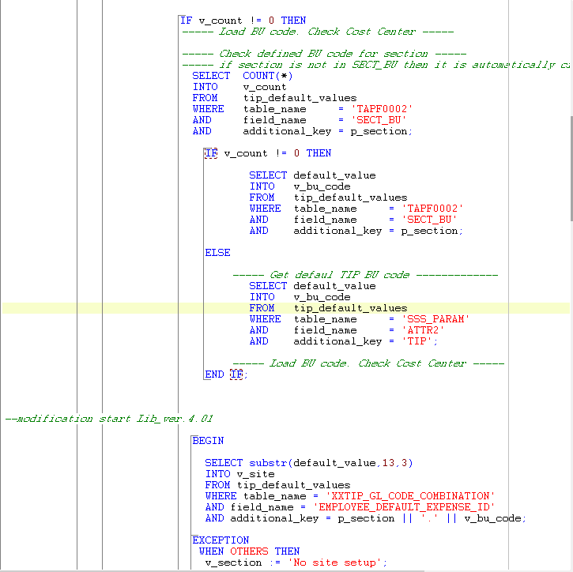

2

 |  |  |  | Meaning 2001680 is not setup in TIP_DEFAULT_VALUES(see the setup on the recovery sheet)

 |  | After setup error still occurs because other setup in TIP DEFAULT VALUES was not setup for 2001680
 |  |  |  | (see the setup on the recovery sheet)

Sheet3
1

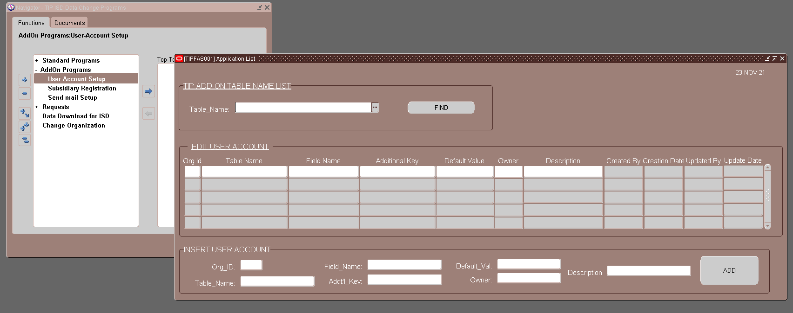

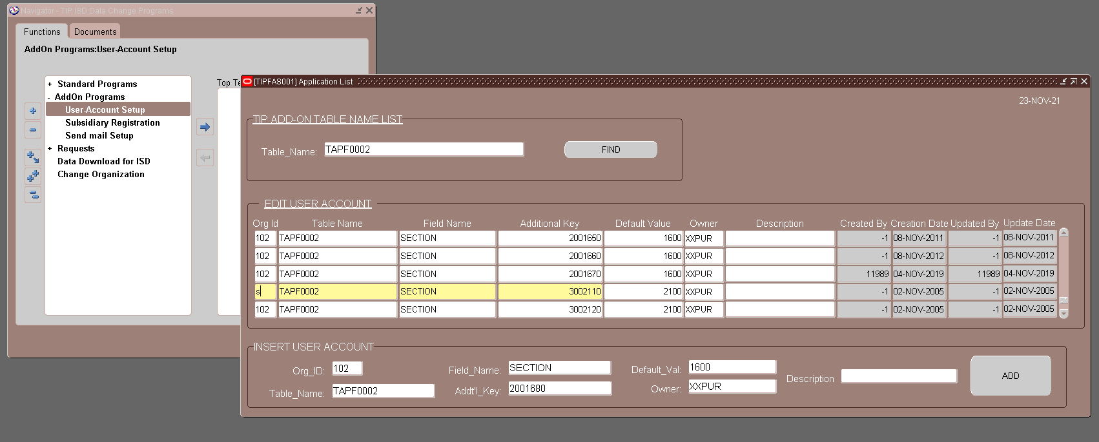

 | After setup

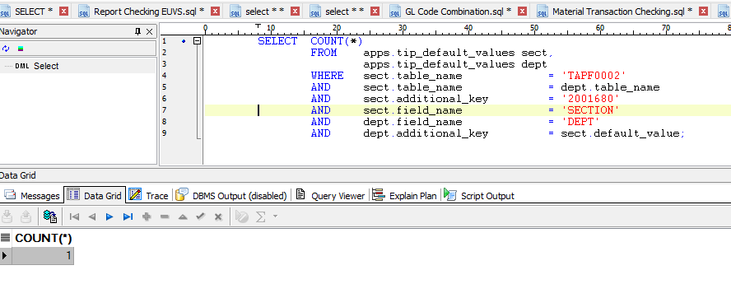

2

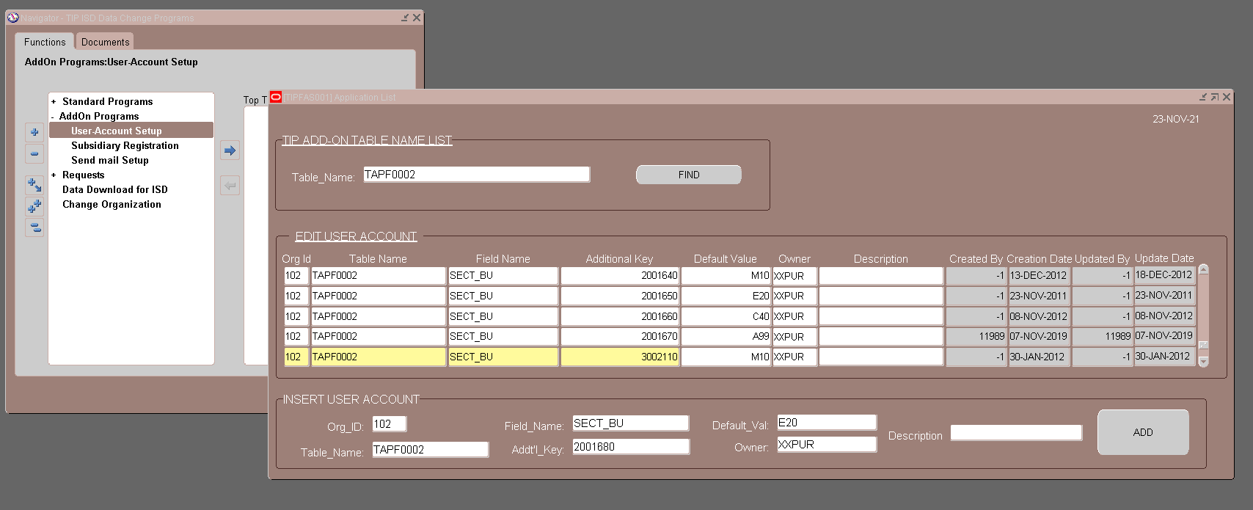

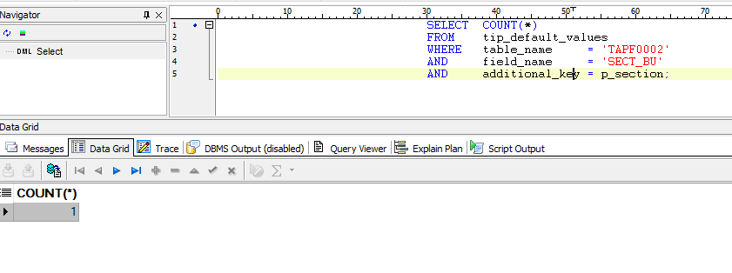

Then after pinaconfirm ko lang kay portal kung nag okay then nag okay nanaman daw

